Sheet1
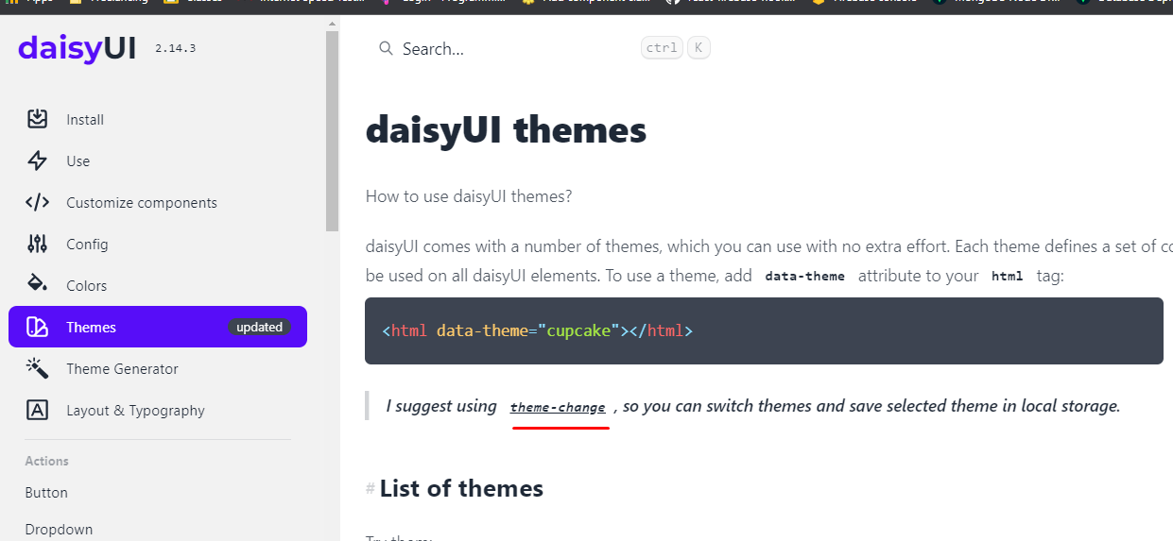
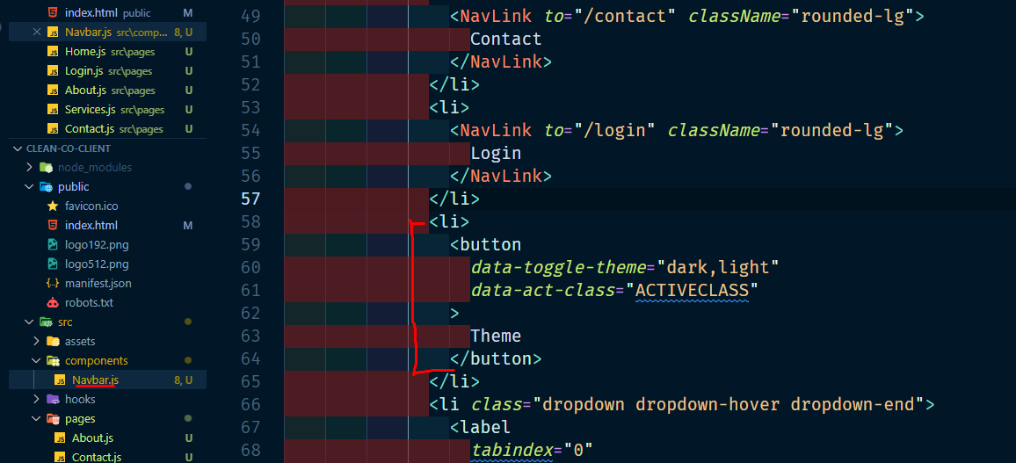
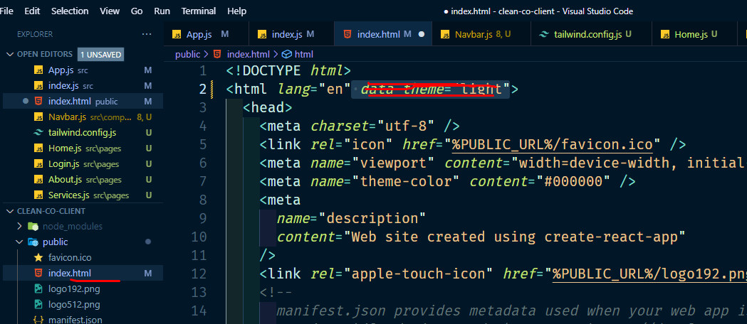
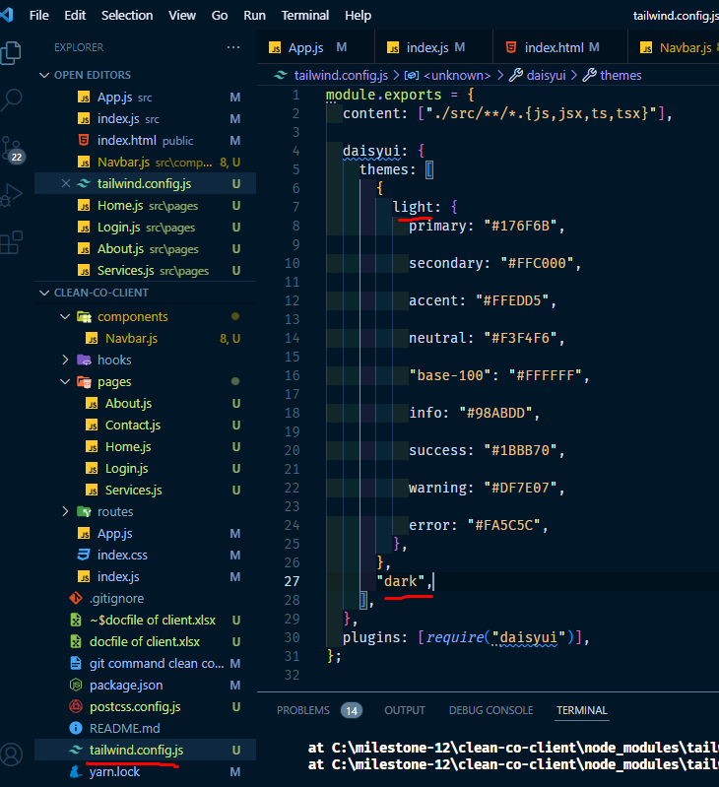
install yarn globaly

1 | install yarn

2 | file will be deleted from client side
 | setupTests.js
 | reportWebVitals.js
 | logo.svg
 | app.test.js
 | app.css

3 | install tailwind

 | npm install -D tailwindcss postcss autoprefixer | npm install -D tailwindcss postcss autoprefixer | npm install -D tailwindcss postcss autoprefixer | npm install -D tailwindcss postcss autoprefixer
 |  | yarn add -D tailwindcss postcss autoprefixer

 |  | npx tailwindcss init -p | yarn tailwindcss init -p
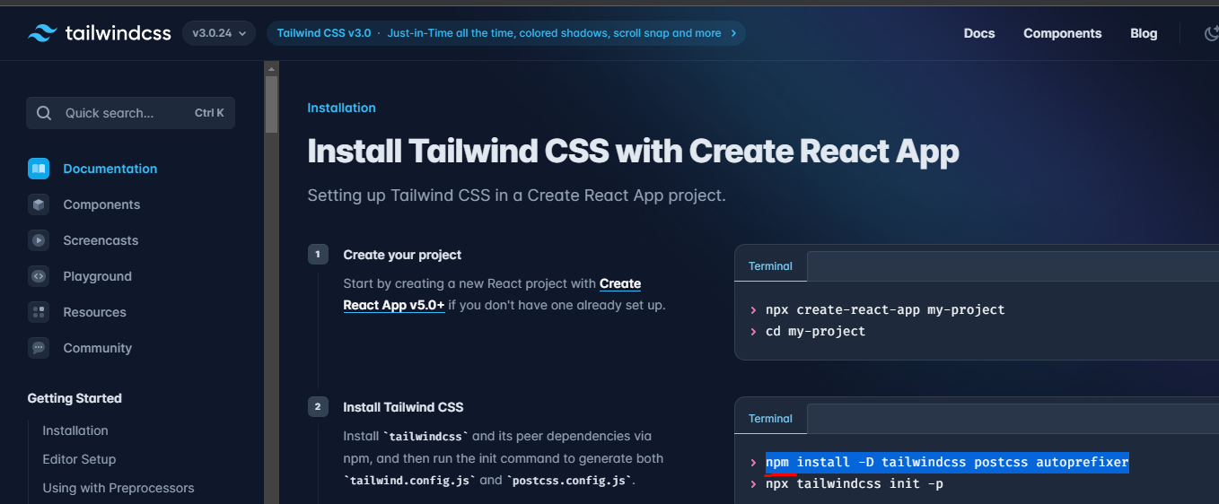

 | past in tailwind.config.js

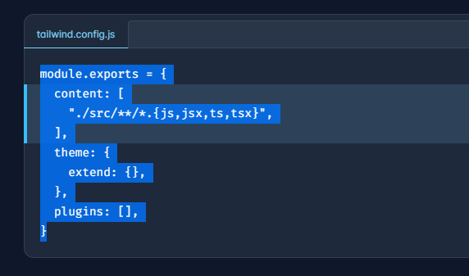

 | pest in index.css
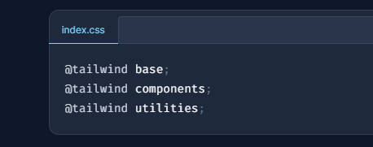

 | install daisy | ui
 | yarn add daisyui
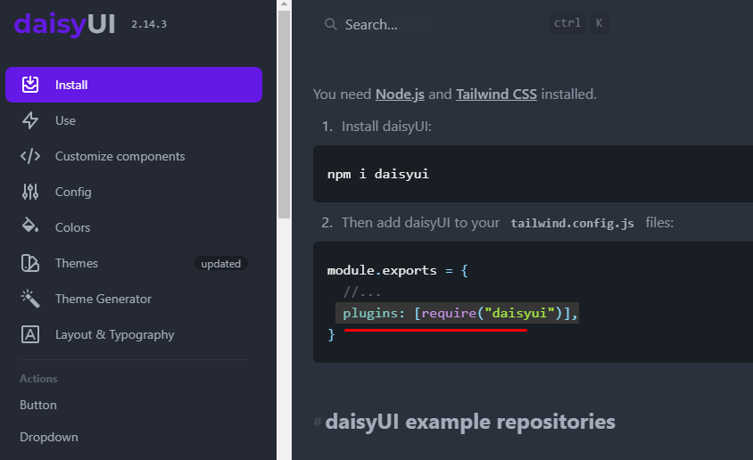

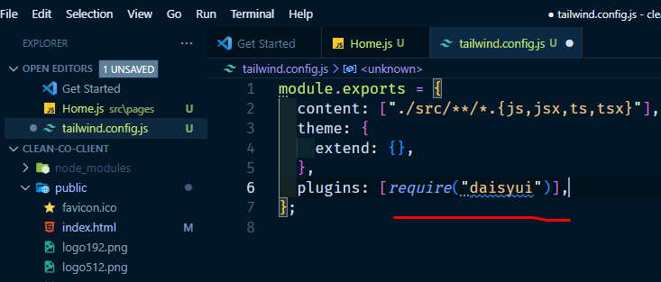

theme add kora

theme generator theke color select kora

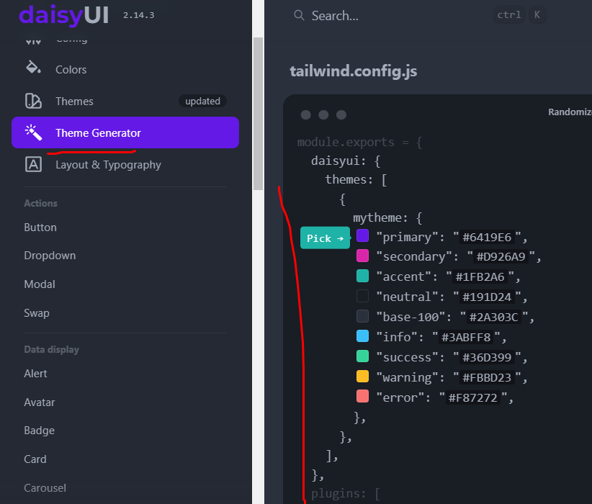
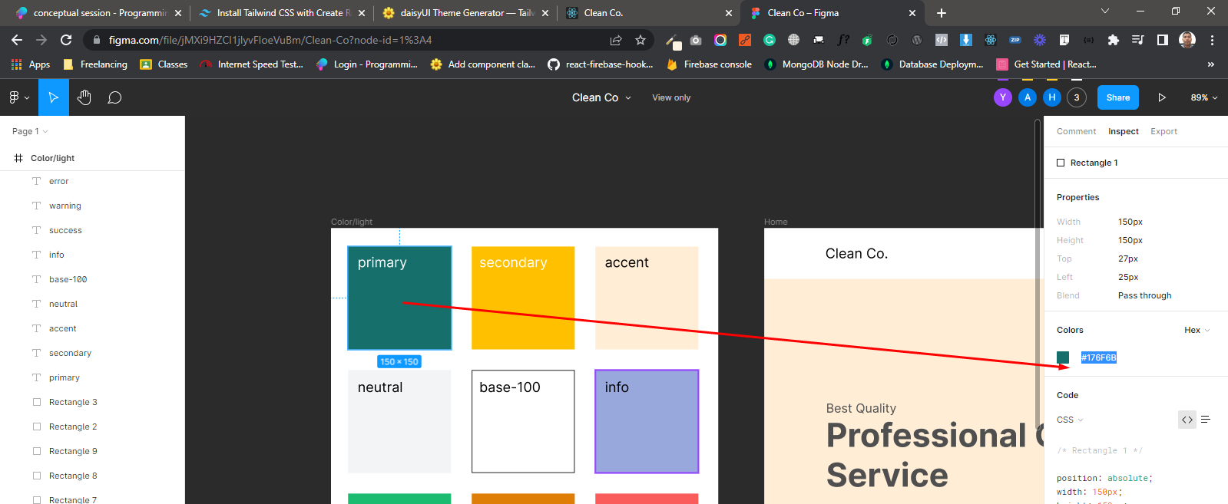

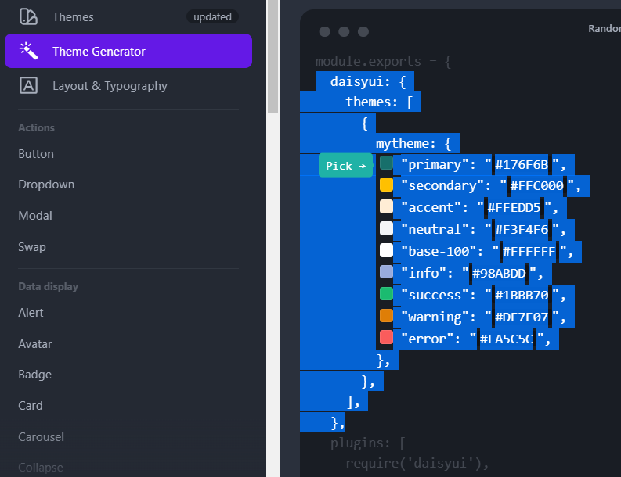

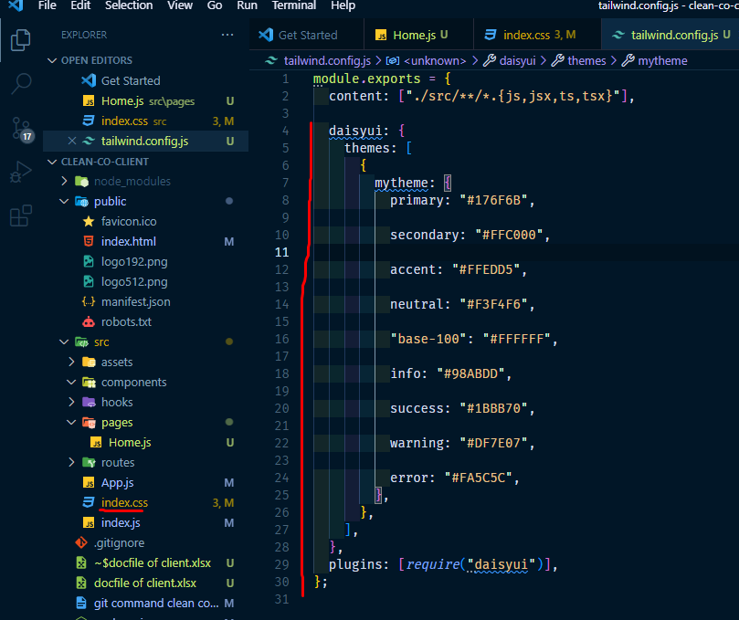

 | router install kora

 | yarn add react-router-dom

 | Link k NavLink korle auto active hobe |  |  |  | button auto active dekhabe
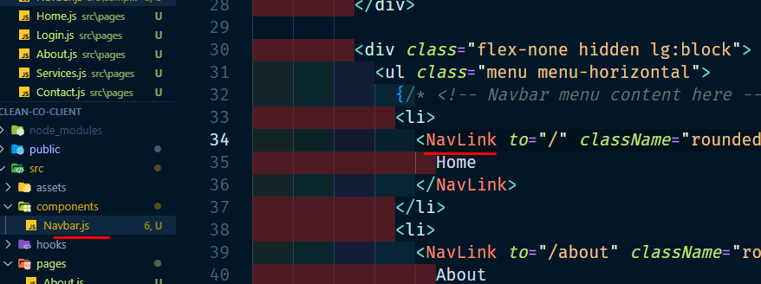

make dark light

